Manual
Input InvoiceList Sheet

1 is convert pdf to excel completed.
1 is Create Job in
Thai trainslate
completed.

Number run on UIpath
input number
1,2,3,4
if The same JobNo use same number

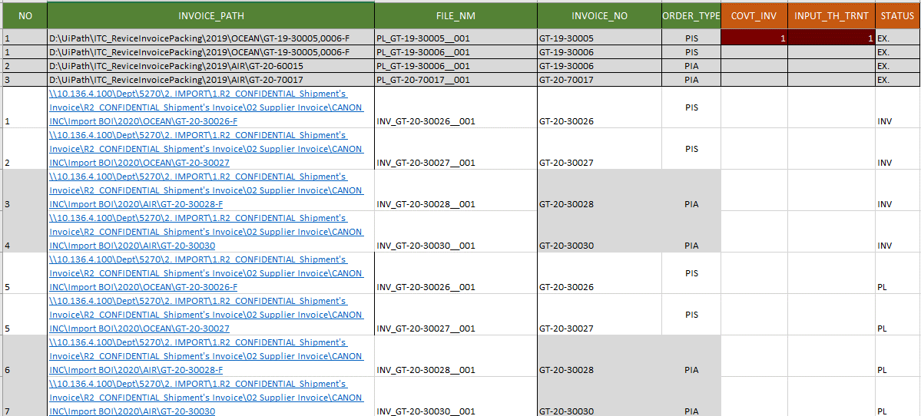

Path file
name of PDF

invoice or Packing List in PDF
Status PDF file
- Ex.
Example PDF.
- INV
Invoice PDF
- PL
Packing list PDF

Order type
- PIS
- PIA
- DHL
- EPZ
- FED
- PIA
- PIS
- UPS

Same Job

